2
 | LoanStatus | ProsperRating (numeric), | EmploymentStatus | IsBorrowerHomeowner | IncomeRange | ListingCategory (numeric) | CreditScoreRangeLower | StatedMonthlyIncome | DebtToIncomeRatio | CurrentDelinquencies | AmountDelinquent | PublicRecordsLast12Months | BankcardUtilization | LoanOriginalAmount | BorrowerAPR | C:\Users\Kaori\OneDrive\Documents\GitHub\Udacity_project\Project_Communicate_Data_Findings
LoanStatus |  | x | x | x | x | x | x | x | x | x | x | x | x | x | x
ProsperRating (numeric), | x |  |  |  |  |  |  |  |  |  |  |  |  | 1 | 1
EmploymentStatus | + | no! intersting |  |  |  |  | 1 |  |  |  |  |  |  |  | 1
IsBorrowerHomeowner | x | yaa | not really
IncomeRange | x | yaa | kinda
ListingCategory (numeric) | x | maybe
CreditScoreRangeLower | x | + | not really but interesting |  |  | not really
StatedMonthlyIncome | x
DebtToIncomeRatio | x | no | not really |  |  | no
CurrentDelinquencies | x |  |  |  |  |  | -
AmountDelinquent | x
PublicRecordsLast12Months | x
BankcardUtilization | x |  |  |  |  |  | -
LoanOriginalAmount | x | + | kinda |  |  | kinda | + | +
BorrowerAPR | x | - | not really |  |  | kinda | - |  |  |  |  |  | + | -

下 ２、 上３

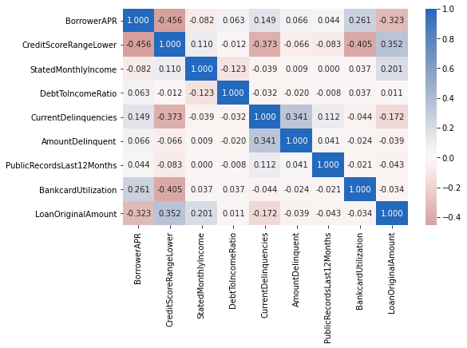
income ratio?

original loan amount, prosper rating, bankcard Utilization, income and employment status interact

bank card utili
loan original
credit score range

deliquencies?

Deabt to income ok? Not interactubf,] | dabt to income make it log scale

The category of the listing that the borrower selected when posting their listing: 0 - Not Available, 1 - Debt Consolidation, 2 - Home Improvement, 3 - Business, 4 - Personal Loan, 5 - Student Use, 6 - Auto, 7- Other, 8 - Baby&Adoption, 9 - Boat, 10 - Cosmetic Procedure, 11 - Engagement Ring, 12 - Green Loans, 13 - Household Expenses, 14 - Large Purchases, 15 - Medical/Dental, 16 - Motorcycle, 17 - RV, 18 - Taxes, 19 - Vacation, 20 - Wedding Loans

